leukaemia_i17
Leukaemia (C91-C95): 2015-2017

Average Number of New Cases Per Year and Age-Specific Incidence Rates per 100,000 Population, UK

Age Range | Female Cases | Male Cases | Female Rates | Male Rates
0 to 04 | 138 | 166 | 7.1 | 8.1
05 to 09 | 62 | 85 | 3.1 | 4.1
10 to 14 | 50 | 57 | 2.8 | 3.0
15 to 19 | 41 | 68 | 2.3 | 3.5
20 to 24 | 38 | 56 | 1.8 | 2.6
25 to 29 | 42 | 59 | 1.9 | 2.6
30 to 34 | 53 | 67 | 2.4 | 3.0
35 to 39 | 57 | 78 | 2.7 | 3.8
40 to 44 | 82 | 117 | 3.9 | 5.7
45 to 49 | 133 | 184 | 5.7 | 8.1
50 to 54 | 174 | 289 | 7.4 | 12.7
55 to 59 | 241 | 385 | 11.7 | 19.2
60 to 64 | 331 | 559 | 18.3 | 32.2
65 to 69 | 458 | 795 | 24.9 | 45.8
70 to 74 | 524 | 872 | 34.6 | 63.1
75 to 79 | 499 | 847 | 42.7 | 85.2
80 to 84 | 515 | 708 | 56.4 | 101.9
85 to 89 | 384 | 439 | 62.7 | 115.5
90+ | 233 | 197 | 58.6 | 115.1
All Ages | 4,056 | 6,028 | 12.2 | 21.3

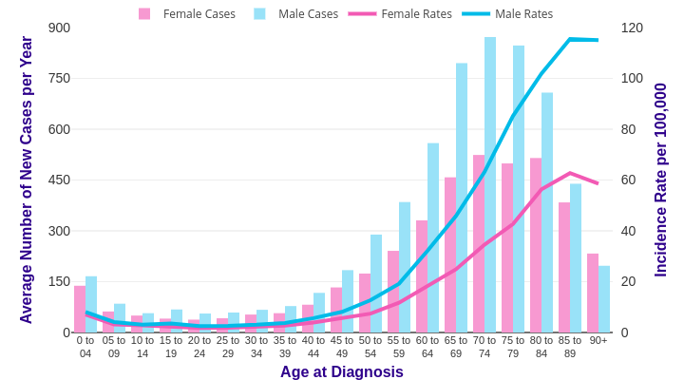

Source: cruk.org/cancerstats

You are welcome to reuse this Cancer Research UK statistics content for your own work.
Credit us as authors by referencing Cancer Research UK as the source.
Suggested style: Cancer Research UK, full URL of the page, Accessed [month] [year].

